Print Page 1
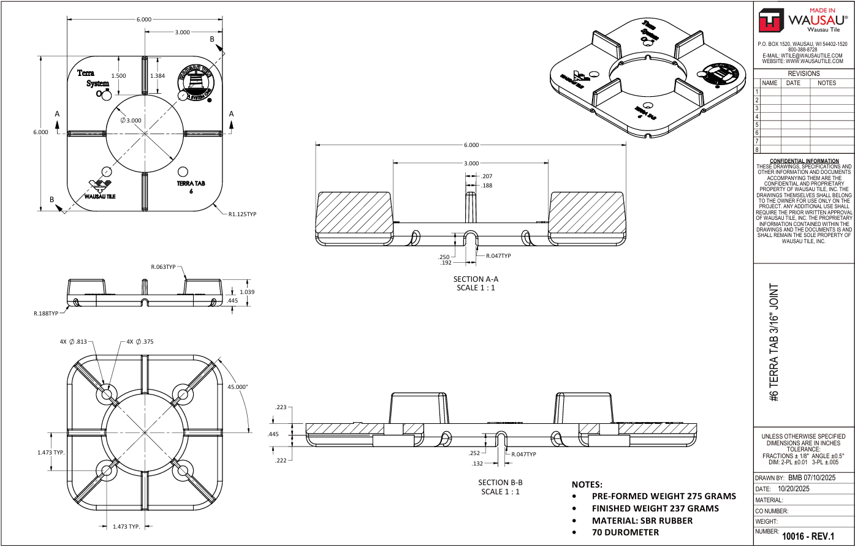

3
2

6
1
4
5

8

9
7
11

10
16
15

14

17

13
18
12

19

Tolerance Table
